INDEX
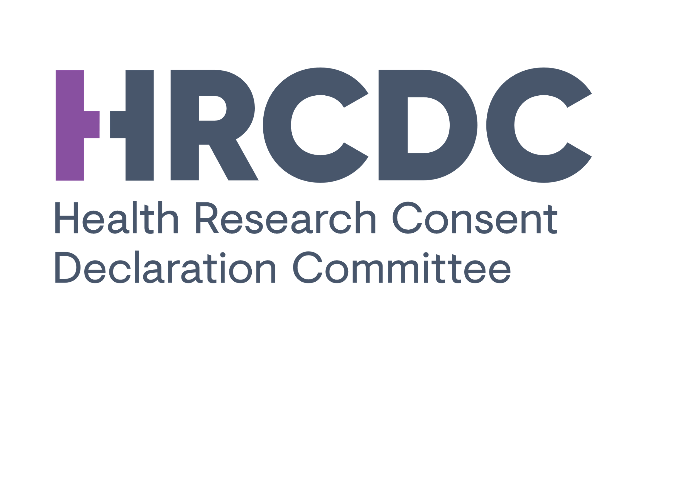 | Applications will be considered at a scheduled meeting of the HRCDC in order of the date they are validated by the Secretariat.
 | Application Number | Date Application Submitted | Applicant Organisation (Data Controller) | Applicant | Application Title | Research Area | Scheduled HRCDC Meeting Date | Date of HRCDC Decision | HRCDC Decision | Status of Declaration
 | 19-001/AF3 | 14.02.2019 | Royal College of Surgeons in Ireland | David Williams | Irish National Adverse Events Study | Retrospectve chart review | 13.06.2019
 | 19-002/AF1 | 12.04.2019 | Waterford Institute of Technology / HSE | Neil Crowhurst | Retrospective case analysis of serious untoward incidents in super catchment mental health services in the HSE South East | Retrospectve chart review | Pending
 | 19-003/AF2 | 24.04.2019 | St Vincent’s University Hospital, Dublin / Monash University, Melbourne Australia | Alistair Nichol | Treatment of Invasively ventilated adults with Early Activity and Mobilisation (TEAM) Trial | Emergency care research | Pending
 | 19-004/AF2 | 24.04.2019 | St Vincent’s University Hospital, Dublin / University Medical Centre Utrecht, Netherlands | Alistair Nichol | Randomized, Embedded, Multifactorial, Adaptive Platform trial for Community-Acquired Pneumonia (REMAP-CAP) | Emergency care research | Pending
 | 19-005/AF2 | 26.04.2019 | St. James Hospital | Richard Flavin | All Ireland Cancer Biobank Network Consortium | Biobank | Pending
 | 19-006-AF3 | 29.04.2019 | Beaumont Hospital, Dublin / Genomics Medicine Ireland | Michael Farrell | The contribution of Whole Genome Sequencing to Brain Tumour Biology | Biobank | 13.06.2019
 | 19-007/AF2 | 03.05.2019 | St Vincents University Hospital, Dublin / University College Dublin / Monash University, Melbourne | Alistair Nichol | Targeted therapeutic mild hypercapnia after resusitated cardiac arrest (TAME) | Emergency care research | Pending
 | 19-008/AF2 | 03.05.2019 | St Vincents University Hospital, Dublin / Region Skåne, Skånevård Sund, Sweden | Alistair Nichol | Targeted Hypothermia versus targeted Normothermia after Out of Hospital Cardaic Arrest (TTM2) | Emergency care research | Pending
 | 19-009/AF3 | 03.05.2019 | National Disability Authority | Aideen Hartney | Moving In Study | Disability services research | 13.06.2019
 | 19-010/AF3 | 04.06.2019 | Beaumont Hospital, Dublin / NUI Galway | Karen Doyle | Analysis of the composition of clots retrieved from acute ischaemic stroke patients and correlation of the effect of thrombolytics and mechanical thrombectomy with clot composition | Stroke Research | Pending

